7a.Filter
Country
F*
 |  |  |  |  | Screenshot of filter dialog box
ID | Segment | Country | Date | Profit
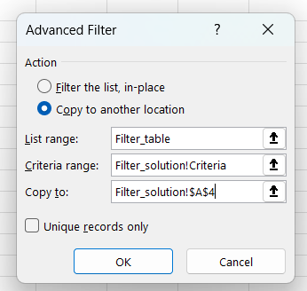
2 | Government | France | 2021-10-01 | 165656
3 | Government | France | 2021-03-01 | 25467
5 | Government | France | 2021-09-01 | 135801
13 | Government | France | 2021-12-01 | 201069
25 | Channel Partners | France | 2021-09-01 | 60921
26 | Enterprise | France | 2021-01-01 | 180969
31 | Channel Partners | France | 2021-08-01 | 87532
32 | Small Business | France | 2021-12-01 | 82089
34 | Midmarket | France | 2021-07-01 | 57399
47 | Government | France | 2021-01-01 | 48442
49 | Government | France | 2021-11-01 | 146394
56 | Government | France | 2021-06-01 | 137843
57 | Government | France | 2021-07-01 | 96209
63 | Government | France | 2021-06-01 | 7110
79 | Government | France | 2021-06-01 | 234786
83 | Midmarket | France | 2021-11-01 | 25301
89 | Channel Partners | France | 2021-11-01 | 211082
95 | Small Business | France | 2021-10-01 | 13328
97 | Channel Partners | France | 2021-05-01 | 258583
99 | Midmarket | France | 2021-09-01 | 147727
100 | Enterprise | France | 2021-08-01 | 109849
101 | Midmarket | France | 2021-10-01 | 231047
113 | Enterprise | France | 2021-07-01 | 26819
114 | Midmarket | France | 2021-06-01 | 139728
117 | Enterprise | France | 2021-05-01 | 57755
123 | Government | France | 2021-06-01 | 115261
125 | Government | France | 2021-12-01 | 9682
133 | Government | France | 2021-01-01 | 142596
134 | Government | France | 2021-06-01 | 165992
138 | Government | France | 2021-07-01 | 44394
144 | Government | France | 2021-04-01 | 35096
151 | Government | France | 2021-07-01 | 173616
156 | Midmarket | France | 2021-06-01 | 95791
164 | Channel Partners | France | 2021-12-01 | 112636
167 | Channel Partners | France | 2021-05-01 | 223042
168 | Small Business | France | 2021-07-01 | 185869
169 | Small Business | France | 2021-04-01 | 73394
170 | Midmarket | France | 2021-06-01 | 254580
176 | Midmarket | France | 2021-04-01 | 259
182 | Enterprise | France | 2021-05-01 | 164464
189 | Government | France | 2021-02-01 | 210276
190 | Government | France | 2021-02-01 | 86142
203 | Enterprise | France | 2021-12-01 | 71529
207 | Channel Partners | France | 2021-09-01 | 258051
217 | Midmarket | France | 2021-06-01 | 159478
220 | Channel Partners | France | 2021-04-01 | 89649
221 | Enterprise | France | 2021-04-01 | 42319
222 | Small Business | France | 2021-05-01 | 1519
229 | Enterprise | France | 2021-12-01 | 12709
231 | Channel Partners | France | 2021-11-01 | 39271
234 | Enterprise | France | 2021-10-01 | 236531
235 | Midmarket | France | 2021-10-01 | 128249
236 | Enterprise | France | 2021-12-01 | 210352
238 | Midmarket | France | 2021-03-01 | 117440
240 | Government | France | 2021-01-01 | 151301
248 | Government | France | 2021-07-01 | 89802
249 | Government | France | 2021-08-01 | 23250
257 | Government | France | 2021-08-01 | 7382
261 | Government | France | 2021-06-01 | 7190
266 | Government | France | 2021-02-01 | 134107
269 | Government | France | 2021-01-01 | 28289
274 | Midmarket | France | 2021-12-01 | 100956
284 | Channel Partners | France | 2021-11-01 | 195638
292 | Midmarket | France | 2021-02-01 | 11682
306 | Midmarket | France | 2021-10-01 | 86076
309 | Midmarket | France | 2021-04-01 | 51383
311 | Midmarket | France | 2021-07-01 | 176652

7b.Filter
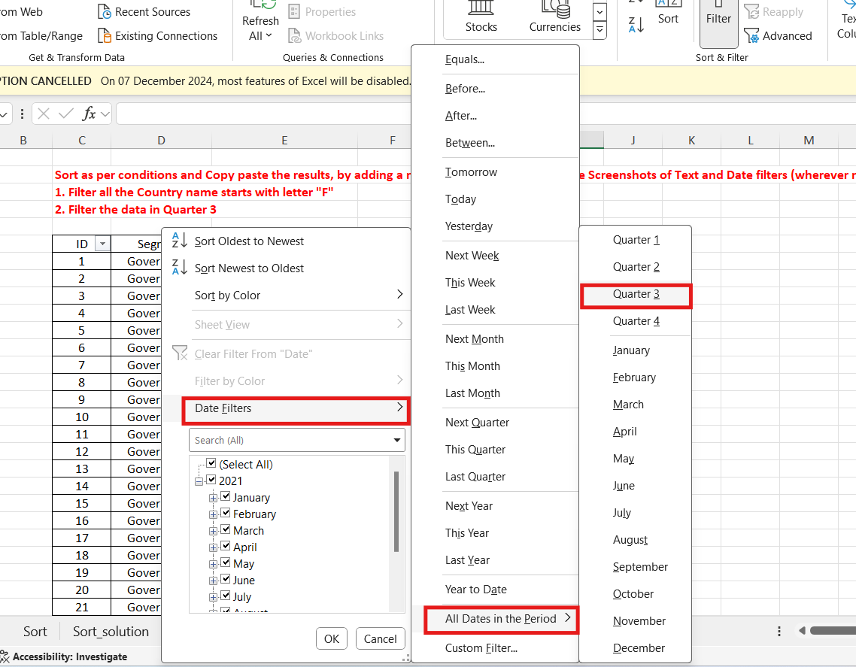

8a.Chart
Create Combo Chart with Proper formatting
Should be formatted as shown in picture

Date | Revenue'000 | Running Total | %
2005 | $528
2006 | $4,550 | 5,078.00 | 7%
2007 | $8,189 | 13,267.00 | 17% | Answer: | Reference Chart:
2008 | $1,730 | 14,997.00 | 19%
 | Revenue'000 | %
2005 | $528
2006 | $4,550 | 7%
2007 | $8,189 | 17%
2008 | $1,730 | 19%
2009 | $5,262 | 26%
2010 | $2,172 | 29%
2011 | $4,384 | 35%
2012 | $8,709 | 46%
2013 | $3,618 | 51%
2014 | $6,372 | 59%
2015 | $3,456 | 63%
2016 | $7,478 | 73%
2017 | $4,649 | 79%
2018 | $5,831 | 86%
2019 | $1,599 | 89%
2020 | $3,695 | 93%
2021 | $1,678 | 95%
2022 | $3,490 | 100%
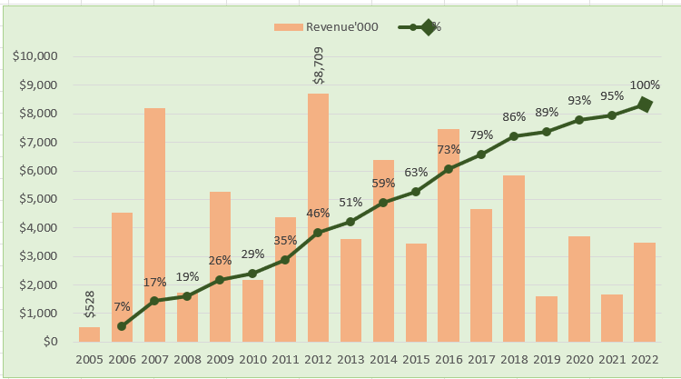
2009 | $5,262 | 20,259.00 | 26%
2010 | $2,172 | 22,431.00 | 29%
2011 | $4,384 | 26,815.00 | 35%
2012 | $8,709 | 35,524.00 | 46%
2013 | $3,618 | 39,142.00 | 51%
2014 | $6,372 | 45,514.00 | 59%
2015 | $3,456 | 48,970.00 | 63%
2016 | $7,478 | 56,448.00 | 73%
2017 | $4,649 | 61,097.00 | 79%
2018 | $5,831 | 66,928.00 | 86%
2019 | $1,599 | 68,527.00 | 89%
2020 | $3,695 | 72,222.00 | 93%
2021 | $1,678 | 73,900.00 | 95%
2022 | $3,490 | 77,390.00 | 100%

Total | $77,390

8b.chart
Create Line Chart with Proper formatting
Should be formatted as shown in picture

 | Revenue'000
1990 | ₹2,156
1991 | ₹3,562
1992 | ₹7,506
1993 | ₹6,258
1994 | ₹6,279
1995 | ₹1,963
1996 | ₹6,736
1997 | ₹3,280
1998 | ₹8,398
1999 | ₹2,882
2000 | ₹4,686
2001 | ₹6,976
2002 | ₹2,173
2003 | ₹2,166
2004 | ₹8,418
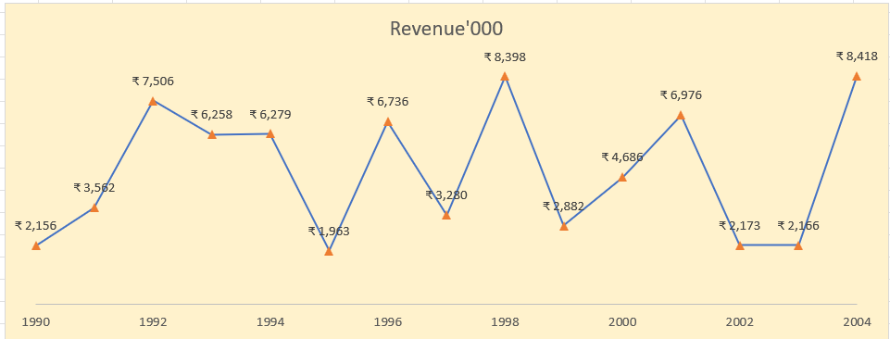
Date | Revenue'000
1990 | ₹ 2,156 | Answer: | Reference Chart:
1991 | ₹ 3,562
1992 | ₹ 7,506
1993 | ₹ 6,258
1994 | ₹ 6,279
1995 | ₹ 1,963
1996 | ₹ 6,736
1997 | ₹ 3,280
1998 | ₹ 8,398
1999 | ₹ 2,882
2000 | ₹ 4,686
2001 | ₹ 6,976
2002 | ₹ 2,173
2003 | ₹ 2,166
2004 | ₹ 8,418

9.Dashboard
Region-wise Profit
 | Total
Central | 77365.472669
East | 85291.403446
South | -14424.054379
West | 75844.790102
Month-wise Profit
 | Total
February 1 | 35944.65878
January 1 | 1043.6774997
March 1 | 103.15958675
April 2 | 53146.412502
June 2 | 66836.97061
May 2 | 67002.732858
Manager wise- Order count
 | Total
Chris | 566
Erin | 474
Sam | 442
William | 470

Top 5 States- Profit wise
 | Total
California | 37421.960192
Texas | 28078.85066
New York | 27611.943319
Ohio | 23410.842026
Oregon | 17931.0434
Top 10 Cities- Profit wise
 | Total
Washington | 11677.3631
Thornton | 9300.3401
New City | 9243.2577
Harrison | 8839.22946
Greenville | 8658.95058
Los Angeles | 7865.83718
Woodburn | 7495.061
Cincinnati | 7257.76
Bangor | 7139.13015
Steubenville | 6621.002
Least 3 sub categories- Profitwise
 | Total
Tables | -7240.0713637
Rubber Bands | -1544.8260632
Scissors, Rulers and Trimmers | -1291.0959

Number of days between Ship and Order Date- Returned Items
 | 0 | 1 | 2 | 3
Returned | 3 | 6 | 5 | 1
Shipment Modes
 | Total
Delivery Truck | 275
Express Air | 240
Regular Air | 1437
State-wise count of Returned Items
 | California | District of Columbia | Massachusetts | New York | Pennsylvania | Washington
Returned | 4 | 1 | 1 | 2 | 3 | 4

Visuals: 1. Region wise Profit data- From the region-wise profit data we can understand that South region is having the lowest profit. The South region is running in loss. 2. Month-wise profit data- We have identified month and Quarter from Order date using power query. The profit is separated month-wise and quarter-wise. So, there is a drill up/drill down feature which allows to drill down to month or drill up to quarters according to requirement. Since there is only one year data, we are not using Timeline in the dashboard. 3. Manager-wise order count- Helps to understand the number of orders happened under different managers. 4.Top 5 States Profit wise- We inserted a pivot table and filtered out top 5 values and inserted a visual on the basis of that. 5. Top 10 cities profit wise- Same logic is used in here as well. 6. Least 3 subcategories profit wise- Same logic is used here but instead of filter from largest to smallest, we filtered from smallest to largest. 7. Number of days between ship and order date Returned items- We obtained number of days in between using power query to see if there is any relationship between items being returned and number of days it takes to ship the items. 8. Shipment modes- We have added count of orders and shipment modes. 7. Statewise count of returned items- To identify from which area more number of items are getting returned. Slicers: 1. Region- Slicer based on regions. It is connected to all the charts using report connection. 2. Customer segment- Slicer based on customer segments. It is connected to Region-wise, Month-wise and Manager-wise data using report connection option. 3. Product Category- Slicer based on product category. It is connected with Top 5 States, Top 10 city and least 3 subcategoried chart.

